TOTAL
Alkalmazott szűrők: Highlighted nem egyezik ezzel: (Üres) Arrival_date ekkori vagy későbbi a következőnél: 2026.04.06. 0:00:00 és dátuma korábbi, mint 2026.04.13. 0:00:00 Mandatory egyezik ezzel: Yes LSP egyezik ezzel: Maersk Canceled_shipment egyezik ezzel: N

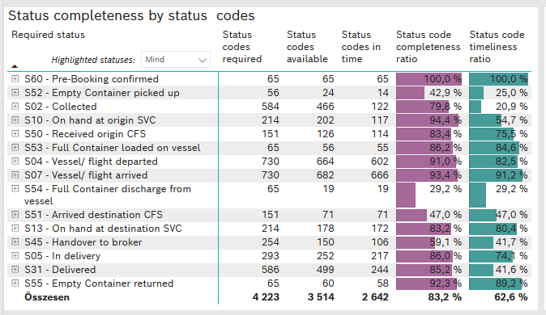
Required status | STATUS_TYPE | Service_Provider | Status codes required | Status codes available | Status codes in time | Status code completeness ratio | Status code timeliness ratio
S60 - Pre-Booking confirmed | Actual | 0000056066 - Maersk | 65 | 65 | 65 | 100.0 % | 100.0 %
S52 - Empty Container picked up | Actual | 0000056066 - Maersk | 56 | 24 | 14 | 42.9 % | 25.0 %
S02 - Collected | Actual | 0000056066 - Maersk | 320 | 251 | 122 | 78.4 % | 38.1 %
S02 - Collected | Estimated | 0000056066 - Maersk | 264 | 215 | 0 | 81.4 % | 0.0 %
S10 - On hand at origin SVC | Actual | 0000056066 - Maersk | 214 | 202 | 117 | 94.4 % | 54.7 %
S50 - Received origin CFS | Actual | 0000056066 - Maersk | 151 | 126 | 114 | 83.4 % | 75.5 %
S53 - Full Container loaded on vessel | Actual | 0000056066 - Maersk | 65 | 56 | 55 | 86.2 % | 84.6 %
S04 - Vessel/ flight departed | Actual | 0000056066 - Maersk | 365 | 329 | 323 | 90.1 % | 88.5 %
S04 - Vessel/ flight departed | Estimated | 0000056066 - Maersk | 365 | 335 | 279 | 91.8 % | 76.4 %
S07 - Vessel/ flight arrived | Actual | 0000056066 - Maersk | 365 | 339 | 334 | 92.9 % | 91.5 %
S07 - Vessel/ flight arrived | Estimated | 0000056066 - Maersk | 365 | 343 | 332 | 94.0 % | 91.0 %
S54 - Full Container discharge from vessel | Actual | 0000056066 - Maersk | 65 | 19 | 19 | 29.2 % | 29.2 %
S51 - Arrived destination CFS | Actual | 0000056066 - Maersk | 151 | 71 | 71 | 47.0 % | 47.0 %
S13 - On hand at destination SVC | Actual | 0000056066 - Maersk | 214 | 178 | 172 | 83.2 % | 80.4 %
S45 - Handover to broker | Actual | 0000056066 - Maersk | 127 | 88 | 86 | 69.3 % | 67.7 %
S45 - Handover to broker | Estimated | 0000056066 - Maersk | 127 | 62 | 20 | 48.8 % | 15.7 %
S05 - In delivery | Actual | 0000056066 - Maersk | 293 | 252 | 217 | 86.0 % | 74.1 %
S31 - Delivered | Actual | 0000056066 - Maersk | 293 | 242 | 85 | 82.6 % | 29.0 %
S31 - Delivered | Estimated | 0000056066 - Maersk | 293 | 257 | 159 | 87.7 % | 54.3 %
S55 - Empty Container returned | Actual | 0000056066 - Maersk | 65 | 60 | 58 | 92.3 % | 89.2 %

BCO
Alkalmazott szűrők: Highlighted nem egyezik ezzel: (Üres) Arrival_date ekkori vagy későbbi a következőnél: 2026.04.06. 0:00:00 és dátuma korábbi, mint 2026.04.13. 0:00:00 Mandatory egyezik ezzel: Yes LSP egyezik ezzel: Maersk Service_Load egyezik ezzel: BCO Canceled_shipment egyezik ezzel: N
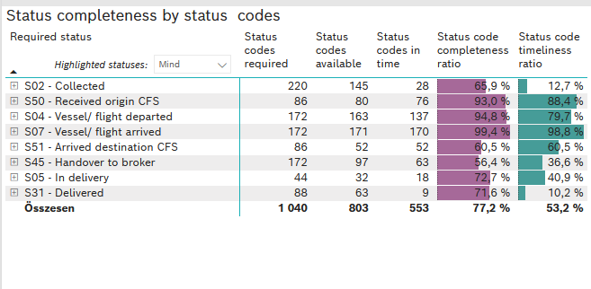
Required status | STATUS_TYPE | Service_Provider | Status codes required | Status codes available | Status codes in time | Status code completeness ratio | Status code timeliness ratio
S02 - Collected | Actual | 0000056066 - Maersk | 110 | 71 | 28 | 64.5 % | 25.5 %
S02 - Collected | Estimated | 0000056066 - Maersk | 110 | 74 | 0 | 67.3 % | 0.0 %
S50 - Received origin CFS | Actual | 0000056066 - Maersk | 86 | 80 | 76 | 93.0 % | 88.4 %
S04 - Vessel/ flight departed | Actual | 0000056066 - Maersk | 86 | 78 | 76 | 90.7 % | 88.4 %
S04 - Vessel/ flight departed | Estimated | 0000056066 - Maersk | 86 | 85 | 61 | 98.8 % | 70.9 %
S07 - Vessel/ flight arrived | Actual | 0000056066 - Maersk | 86 | 85 | 85 | 98.8 % | 98.8 %
S07 - Vessel/ flight arrived | Estimated | 0000056066 - Maersk | 86 | 86 | 85 | 100.0 % | 98.8 %
S51 - Arrived destination CFS | Actual | 0000056066 - Maersk | 86 | 52 | 52 | 60.5 % | 60.5 %
S45 - Handover to broker | Actual | 0000056066 - Maersk | 86 | 58 | 58 | 67.4 % | 67.4 %
S45 - Handover to broker | Estimated | 0000056066 - Maersk | 86 | 39 | 5 | 45.3 % | 5.8 %
S05 - In delivery | Actual | 0000056066 - Maersk | 44 | 32 | 18 | 72.7 % | 40.9 %
S31 - Delivered | Actual | 0000056066 - Maersk | 44 | 32 | 9 | 72.7 % | 20.5 %
S31 - Delivered | Estimated | 0000056066 - Maersk | 44 | 31 | 0 | 70.5 % | 0.0 %

FCL
Alkalmazott szűrők: Highlighted nem egyezik ezzel: (Üres) Arrival_date ekkori vagy későbbi a következőnél: 2026.04.06. 0:00:00 és dátuma korábbi, mint 2026.04.13. 0:00:00 Mandatory egyezik ezzel: Yes LSP egyezik ezzel: Maersk Service_Load egyezik ezzel: FCL Canceled_shipment egyezik ezzel: N

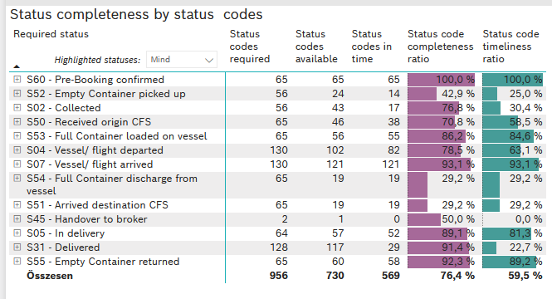
Required status | STATUS_TYPE | Service_Provider | Status codes required | Status codes available | Status codes in time | Status code completeness ratio | Status code timeliness ratio
S60 - Pre-Booking confirmed | Actual | 0000056066 - Maersk | 65 | 65 | 65 | 100.0 % | 100.0 %
S52 - Empty Container picked up | Actual | 0000056066 - Maersk | 56 | 24 | 14 | 42.9 % | 25.0 %
S02 - Collected | Actual | 0000056066 - Maersk | 56 | 43 | 17 | 76.8 % | 30.4 %
S50 - Received origin CFS | Actual | 0000056066 - Maersk | 65 | 46 | 38 | 70.8 % | 58.5 %
S53 - Full Container loaded on vessel | Actual | 0000056066 - Maersk | 65 | 56 | 55 | 86.2 % | 84.6 %
S04 - Vessel/ flight departed | Actual | 0000056066 - Maersk | 65 | 56 | 55 | 86.2 % | 84.6 %
S04 - Vessel/ flight departed | Estimated | 0000056066 - Maersk | 65 | 46 | 27 | 70.8 % | 41.5 %
S07 - Vessel/ flight arrived | Actual | 0000056066 - Maersk | 65 | 61 | 61 | 93.8 % | 93.8 %
S07 - Vessel/ flight arrived | Estimated | 0000056066 - Maersk | 65 | 60 | 60 | 92.3 % | 92.3 %
S54 - Full Container discharge from vessel | Actual | 0000056066 - Maersk | 65 | 19 | 19 | 29.2 % | 29.2 %
S51 - Arrived destination CFS | Actual | 0000056066 - Maersk | 65 | 19 | 19 | 29.2 % | 29.2 %
S45 - Handover to broker | Actual | 0000056066 - Maersk | 1 | 0 | 0 | 0.0 % | 0.0 %
S45 - Handover to broker | Estimated | 0000056066 - Maersk | 1 | 1 | 0 | 100.0 % | 0.0 %
S05 - In delivery | Actual | 0000056066 - Maersk | 64 | 57 | 52 | 89.1 % | 81.3 %
S31 - Delivered | Actual | 0000056066 - Maersk | 64 | 58 | 25 | 90.6 % | 39.1 %
S31 - Delivered | Estimated | 0000056066 - Maersk | 64 | 59 | 4 | 92.2 % | 6.3 %
S55 - Empty Container returned | Actual | 0000056066 - Maersk | 65 | 60 | 58 | 92.3 % | 89.2 %

LCL
Alkalmazott szűrők: Highlighted nem egyezik ezzel: (Üres) Arrival_date ekkori vagy későbbi a következőnél: 2026.04.06. 0:00:00 és dátuma korábbi, mint 2026.04.13. 0:00:00 Mandatory egyezik ezzel: Yes LSP egyezik ezzel: Maersk Service_Load egyezik ezzel: LCL Canceled_shipment egyezik ezzel: N

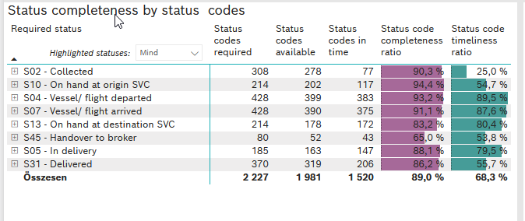
Required status | STATUS_TYPE | Service_Provider | Status codes required | Status codes available | Status codes in time | Status code completeness ratio | Status code timeliness ratio
S02 - Collected | Actual | 0000056066 - Maersk | 154 | 137 | 77 | 89.0 % | 50.0 %
S02 - Collected | Estimated | 0000056066 - Maersk | 154 | 141 | 0 | 91.6 % | 0.0 %
S10 - On hand at origin SVC | Actual | 0000056066 - Maersk | 214 | 202 | 117 | 94.4 % | 54.7 %
S04 - Vessel/ flight departed | Actual | 0000056066 - Maersk | 214 | 195 | 192 | 91.1 % | 89.7 %
S04 - Vessel/ flight departed | Estimated | 0000056066 - Maersk | 214 | 204 | 191 | 95.3 % | 89.3 %
S07 - Vessel/ flight arrived | Actual | 0000056066 - Maersk | 214 | 193 | 188 | 90.2 % | 87.9 %
S07 - Vessel/ flight arrived | Estimated | 0000056066 - Maersk | 214 | 197 | 187 | 92.1 % | 87.4 %
S13 - On hand at destination SVC | Actual | 0000056066 - Maersk | 214 | 178 | 172 | 83.2 % | 80.4 %
S45 - Handover to broker | Actual | 0000056066 - Maersk | 40 | 30 | 28 | 75.0 % | 70.0 %
S45 - Handover to broker | Estimated | 0000056066 - Maersk | 40 | 22 | 15 | 55.0 % | 37.5 %
S05 - In delivery | Actual | 0000056066 - Maersk | 185 | 163 | 147 | 88.1 % | 79.5 %
S31 - Delivered | Actual | 0000056066 - Maersk | 185 | 152 | 51 | 82.2 % | 27.6 %
S31 - Delivered | Estimated | 0000056066 - Maersk | 185 | 167 | 155 | 90.3 % | 83.8 %

